Pricebook Overview
SME Power Price Book

Valid for contracts with start dates from December 2020 to October 2021.

Breakdown of costs

Choice
Protect

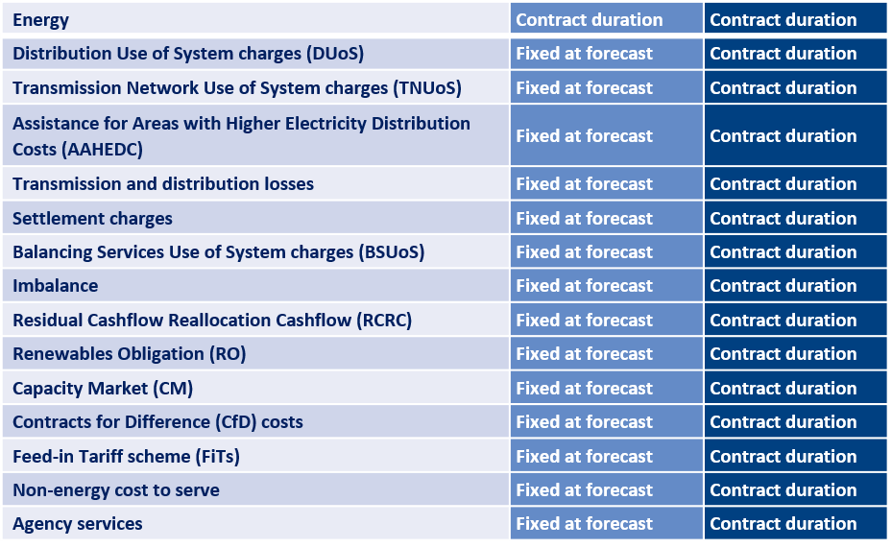

Prices shown do not include VAT.
Prices shown are for 14 days direct debit payment method.
Prices are subject to credit approval.
Please see our website for Terms and Conditions.
Fixed at forecast means the price may increase if market conditions change.
For information on third party costs, please view our Frequently Asked Questions (FAQs) document.
FAQ
Click here

